Summary
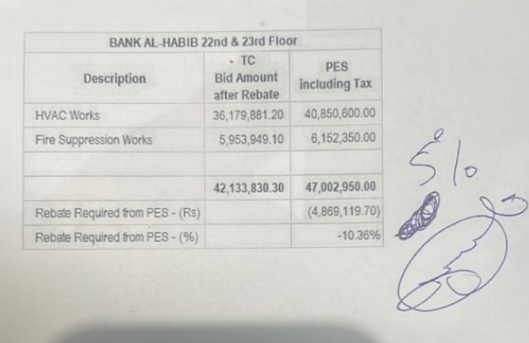
 |  |  |  | Bank Al-Habib Limited

HVAC & Fire Fighting Work |  |  |  | 6-Oct-23
22nd & 23rd Floor Centerpoint Karachi

SUMMARY OF RUNNING BILL NO 1

S.No | Description | Material | Labour | Amount
1 | HVAC 22nd Floor | 13,125,994 | 1,004,057 | 14,130,050
2 | HVAC 23rd Floor | 12,293,465 | 844,754 | 13,138,218
 | Total Amount HVAC |  |  | 27,268,268

3 | Fire Fighting 22nd Floor | 2,455,204 | 536,974 | 2,992,178
4 | Fire Fighting 23rd Floor | 2,074,932 | 444,978 | 2,519,910
 | Total Amount Fire Fighting |  |  | 5,512,088

 | Grand Total Amount | 29,949,594 | 2,830,762 | 32,780,356

